Allocation Lookup
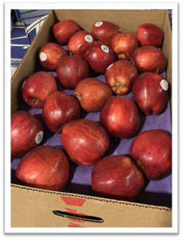
Bonus Fresh Apples Fair Share Allocation Lookup

Our USDA Foods Team was able to take advantage of fresh Bonus apples for the 24/25 SY that USDA made available to us. Because we wanted enough to share with all our districts, we ordered multiple truckloads that will arrive for delivery to you this September. This is just in time to use for your fall menus and snacks, to celebrate Johnny Appleseed’s birthday on September 26th, or to save for an October crunch. |  | The apples area variety of Empire, Fuji, Gala, Red Delicious, and Granny Smith. Each 37-40 lb case has one type of apple.

While some of you selected these bonus apples on your 24/25 USDA Foods Packet, many more of you missed this opportunity. To provide free fresh apples for all our districts, we have elected to provide each with a “Fair Share” based on your “total lunches served in 23/24SY” and your district enrollment.

These cases will be automatically included on your September Gold Star warehouse delivery so there is nothing you need to do but menu and enjoy them.

Enter your agreement number below and press ENTER on your keyboard to lookup the amount of apples that you will receive.
Agreement number: | LEA:
Fair Share Allocation: | cases of apples

