Richland Hills NOI Calculator
NET OFF INVOICE FORECASTING TOOL
 |  |  |  |  |  |  |  |  |  |  |  |  |  |  | 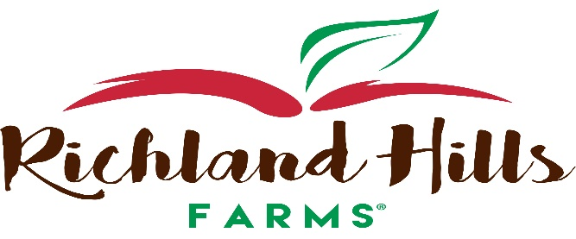
Agreement Number (###-###): |  |  |  |  |  |  |  |  | School District Name:

Click To Return Back To Overview Sheet
 |  |  |  |  |  |  |  |  | 110149 | USDA FOODS MATERIAL CODE |  |  | Apples |  |  |  | $0.33 | Donated Food Value per Pound
NOI ORDERS ARE DELIVERED BY A COMMERCIAL DISTRIBUTOR. DOES YOUR SCHOOL HAVE A COMMERCIAL DISTRIBUTOR? |  |  |  |  |  |  |  |  | Commerical Distributor Name:
Have Questions? Please Contact Synergy Food Sales at (816)-525-7800 or email: John Pickert (John@SynergyFoodSales.com), Tom Hoenig (Tom@SynergyFoodSales.com), Andy Dudenhoeffer (Andy@SynergyFoodSales.com) or Kristine Bridgeman (Kristine@SynergyFoodSales.com) |  |  |  |  |  |  |  |  | NOI LBS. | Total Lbs . for NOI (Type this number into the MO-USDA Foods Packet NOI Form: (Cell E9)
 |  |  |  |  |  |  |  |  |  | 0.00
NOI ENTITLEMENT CALCULATOR
Product Code Number | Product Description | Mt/Mt Alternate Credits | Grain Credits | F/V Credit & Type | Finished Cs Weight | Servings Per Case | Lbs. of DF Per case | DF Value Per Case | Aug | Sept | Oct | Nov | Dec | Jan | Feb | March | April | Total Cases | Total Donated Pounds | Total Entitlement Spent | Processing Fee | Estimated Total Cost per case

SA100 | Fresh Sliced Apples 2.4oz/pkg 100pkgs/cs |  |  | 1/2Cup | 15.00 | 100 | 23.08 | $7.66 |  |  |  |  |  |  |  |  |  | 0 | 0.00 | $0.00 | PROCESSING FEE IS OBTAINED BY SCHOOL VIA PROCUREMENT
SA100B | Fresh Sliced Apples,2ozoz/pkg 100pkg/cs |  |  | 1/2Cup | 12.50 | 100 | 19.23 | $6.38 |  |  |  |  |  |  |  |  |  | 0 | 0.00 | $0.00
SA10x1 | Fresh Sliced Apples, 1lbs/pkg, 10pkgs/cs |  |  | 1/2Cup | 10.00 | 80 | 15.39 | $5.11 |  |  |  |  |  |  |  |  |  | 0 | 0.00 | $0.00
SA200 | Fresh Sliced Apples,2oz/pkg, 200pkgs/cs |  |  | 1/2Cup | 25.00 | 200 | 38.46 | $12.77 |  |  |  |  |  |  |  |  |  | 0 | 0.00 | $0.00
SA2x10 | Fresh Sliced Apples,10 lbs/pkg, 2pkg/cs |  |  | 1/2Cup | 20.00 | 160 | 30.77 | $10.22 |  |  |  |  |  |  |  |  |  | 0 | 0.00 | $0.00
SA4x10 | Fresh Sliced Apples,10 lbs/pkg, 4pkg/cs |  |  | 1/2Cup | 40.00 | 320 | 61.54 | $20.43 |  |  |  |  |  |  |  |  |  | 0 | 0.00 | $0.00
SA50 | Fresh Sliced Apples,2.4oz/pkg,50 pkgs/cs |  |  | !/2Cup | 7.50 | 50 | 11.54 | $3.83 |  |  |  |  |  |  |  |  |  | 0 | 0.00 | $0.00
SA5x2 | Fresh Sliced Apples, 2 lbs/pkg, 5pkgs/cs |  |  | 1/2Cup | 10.00 | 80 | 15.39 | $5.11 |  |  |  |  |  |  |  |  |  | 0 | 0.00 | $0.00
 |  |  |  |  |  |  |  |  |  |  |  |  |  |  |  |  |  | Total Lbs. Needed: | 0.00

