Ott's
NET OFF INVOICE FORECASTING TOOL
 |  |  |  |  |  |  |  |  |  |  |  |  |  |  | 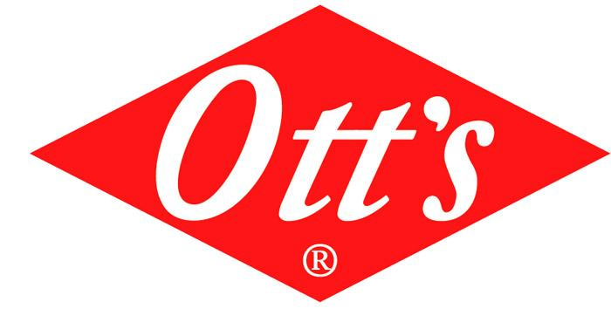
Agreement Number (###-###): |  |  |  |  |  |  |  |  | School District Name:

 |  |  |  |  |  |  |  |  | 100443 | USDA FOODS MATERIAL CODE |  |  | Vegetable Oil |  |  |  | $0.85 | Donated Food Value per Pound
NOI ORDERS ARE DELIVERED BY A COMMERCIAL DISTRIBUTOR. DOES YOUR SCHOOL HAVE A COMMERCIAL DISTRIBUTOR? |  |  |  |  |  |  |  |  | Commerical Distributor Name:
Have Questions? Please Contact Synergy Food Sales at (816)-525-7800 or email: John Pickert (John@SynergyFoodSales.com), Tom Hoenig (Tom@SynergyFoodSales.com), Andy Dudenhoeffer (AndyD@FairMarketInc.com) or Kristine Bridgeman (Kristine@SynergyFoodSales.com) |  |  |  |  |  |  |  |  | NOI LBS. | Total Lbs . for NOI (Type this number into the MO-USDA Foods Packet NOI Form: (Cell E9)
 |  |  |  |  |  |  |  |  |  | 0.00
NOI ENTITLEMENT CALCULATOR
Product Code Number | Product Description | Mt/Mt Alternate Credits | Grain Credits | F/V Credit & Type | Finished Cs Weight | Servings Per Case | of DF Per case | DF Value Per Case | Aug | Sept | Oct | Nov | Dec | Jan | Feb | March | April | Total Cases | Total Donated Pounds | Total Entitlement Spent | Processing Fee | Estimated Total Cost per case

1407 | Ott's Ranch Portion Cups (200/1.76 oz) |  |  |  | 22.00 | 200 | 10.69 | $9.06 |  |  |  |  |  |  |  |  |  | 0 | 0.00 | $0.00 | PROCESSING FEE IS OBTAINED BY SCHOOL VIA PROCUREMENT
1460 | Ott's Red. Cal. Ranch Cups (512/1.2 oz) |  |  |  | 38.00 | 512 | 5.05 | $4.28 |  |  |  |  |  |  |  |  |  | 0 | 0.00 | $0.00
1405 | Ott's Honey Mustard Cups (200/1.76 oz) |  |  |  | 22.00 | 200 | 5.50 | $4.66 |  |  |  |  |  |  |  |  |  | 0 | 0.00 | $0.00
1237 | Ott's Famous (4/1 GAL) |  |  |  | 38.00 | 512 | 6.12 | $5.19 |  |  |  |  |  |  |  |  |  | 0 | 0.00 | $0.00
1278 | Ott's Ranch Dressing (4/1 GAL) |  |  |  | 38.00 | 512 | 16.72 | $14.17 |  |  |  |  |  |  |  |  |  | 0 | 0.00 | $0.00
1512 | Ott's Reduced Calorie Ranch (4/1 GAL) |  |  |  | 38.00 | 512 | 8.53 | $7.23 |  |  |  |  |  |  |  |  |  | 0 | 0.00 | $0.00
1660 | Ott's Chipotle Ranch Dressing (4/1 GAL) |  |  |  | 38.00 | 512 | 15.98 | $13.54 |  |  |  |  |  |  |  |  |  | 0 | 0.00 | $0.00
1387 | Ott's Honey Mustard Dressing (4/1 GAL) |  |  |  | 38.00 | 512 | 8.90 | $7.54 |  |  |  |  |  |  |  |  |  | 0 | 0.00 | $0.00
1241 | Ott's Zesty Italian Dressing (4/1 GAL) |  |  |  | 38.00 | 512 | 10.86 | $9.20 |  |  |  |  |  |  |  |  |  | 0 | 0.00 | $0.00
1473 | Ott's Raspberry Vinaigrette (4/1 GAL) |  |  |  | 38.00 | 512 | 11.24 | $9.53 |  |  |  |  |  |  |  |  |  | 0 | 0.00 | $0.00
1409 | Ott's Mayonnaise (4/1 GAL) |  |  |  | 38.00 | 1024 | 14.50 | $12.29 |  |  |  |  |  |  |  |  |  | 0 | 0.00 | $0.00
1615 | Ott's Tartar Sauce (4/1 GAL) |  |  |  | 38.00 | 512 | 10.61 | $8.99 |  |  |  |  |  |  |  |  |  | 0 | 0.00 | $0.00
1338 | Ott's Thousand Island 4/1 GAL |  |  |  | 38.00 | 512 | 9.54 | $8.09 |  |  |  |  |  |  |  |  |  | 0 | 0.00 | $0.00
1408 | Ott's BBQ Sauce Portion Cups (200/1.76 oz) |  |  |  | 22.00 | 200 | 0.05 | $0.04 |  |  |  |  |  |  |  |  |  | 0 | 0.00 | $0.00
1266 | Ott's Sweet N' Mild BBQ Sauce (4/1 GAL) |  |  |  | 38.00 | 512 | 0.09 | $0.08 |  |  |  |  |  |  |  |  |  | 0 | 0.00 | $0.00
 |  |  |  |  |  |  |  |  |  |  |  |  |  |  |  |  |  | Total Lbs. Needed: | 0.00

