Bongards NOI Calculator
NET OFF INVOICE FORECASTING TOOL
 |  |  |  |  |  |  |  |  |  |  |  |  |  |  | 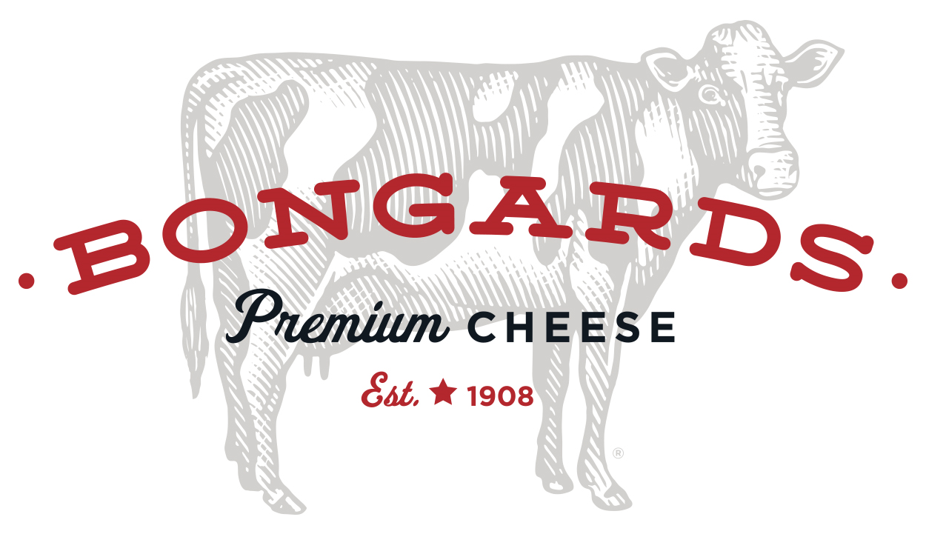
Agreement Number (###-###): |  |  |  |  |  |  |  |  | School District Name:

Click To Return Back To Overview Sheet
 |  |  |  |  |  |  |  |  | 110242 | USDA FOODS MATERIAL CODE |  |  | Barrel Cheddar Cheese |  |  |  | $2.10 | Donated Food Value per Pound
NOI ORDERS ARE DELIVERED BY A COMMERCIAL DISTRIBUTOR. DOES YOUR SCHOOL HAVE A COMMERCIAL DISTRIBUTOR? |  |  |  |  |  |  |  |  | Commerical Distributor Name:
Have Questions? Please Contact Synergy Food Sales at (816)-525-7800 or email: John Pickert (John@SynergyFoodSales.com), Tom Hoenig (Tom@SynergyFoodSales.com), Andy Dudenhoeffer (Andy@SynergyFoodSales.com) or Kristine Bridgeman (Kristine@SynergyFoodSales.com) |  |  |  |  |  |  |  |  | NOI LBS. | Total Lbs . for NOI (Type this number into the MO-USDA Foods Packet NOI Form: (Cell E9)
 |  |  |  |  |  |  |  |  |  | 0.00
NOI ENTITLEMENT CALCULATOR
Product Code Number | Product Description | Mt/Mt Alternate Credits | Grain Credits | F/V Credit & Type | Finished Cs Weight | Servings Per Case | Lbs. of DF Per case | DF Value Per Case | Aug | Sept | Oct | Nov | Dec | Jan | Feb | March | April | Total Cases | Total Donated Pounds | Total Entitlement Spent | Processing Fee | Estimated Total Cost per case

402911 | Cheddar Cheese Stick | 1.00 |  |  | 10.50 | 168 | 10.50 | $22.09 |  |  |  |  |  |  |  |  |  | 0 | 0.00 | $0.00 | PROCESSING FEE IS OBTAINED BY SCHOOL VIA PROCUREMENT
402931 | Marble Cheese Stick | 1.00 |  |  | 10.50 | 168 | 10.50 | $22.09 |  |  |  |  |  |  |  |  |  | 0 | 0.00 | $0.00
402951 | Mozzarella Cheese Stick | 1.00 |  |  | 10.50 | 168 | 10.50 | $22.09 |  |  |  |  |  |  |  |  |  | 0 | 0.00 | $0.00
402991 | Lite Mozz String Cheese | 1.00 |  |  | 10.50 | 168 | 10.50 | $22.09 |  |  |  |  |  |  |  |  |  | 0 | 0.00 | $0.00
110491 | American Cheese Yellow Slice 160ct | 0.50 |  |  | 20.00 | 640 | 14.66 | $30.84 |  |  |  |  |  |  |  |  |  | 0 | 0.00 | $0.00
110431 | American Swiss Cheese Slice | 0.50 |  |  | 20.00 | 640 | 15.08 | $31.72 |  |  |  |  |  |  |  |  |  | 0 | 0.00 | $0.00
110501 | American Cheese White Slice 160ct | 0.50 |  |  | 20.00 | 640 | 14.66 | $30.84 |  |  |  |  |  |  |  |  |  | 0 | 0.00 | $0.00
111321 | American Cheese Yellow RF Slice 160ct | 0.50 |  |  | 30.00 | 960 | 22.53 | $47.40 |  |  |  |  |  |  |  |  |  | 0 | 0.00 | $0.00
111371 | American Cheese Yellow Slice 160ct | 0.50 |  |  | 30.00 | 960 | 21.99 | $46.26 |  |  |  |  |  |  |  |  |  | 0 | 0.00 | $0.00
111351 | American Cheese Yellow RF RS Slice 160ct | 0.50 |  |  | 30.00 | 960 | 23.17 | $48.74 |  |  |  |  |  |  |  |  |  | 0 | 0.00 | $0.00
111431 | American Cheese White RF RS Slice 160ct | 0.50 |  |  | 30.00 | 960 | 23.17 | $48.74 |  |  |  |  |  |  |  |  |  | 0 | 0.00 | $0.00
113451 | American Cheese White with Peppers Slice | 0.50 |  |  | 20.00 | 640 | 15.08 | $31.72 |  |  |  |  |  |  |  |  |  | 0 | 0.00 | $0.00
114411 | Natural Pasteurized Blend Yellow Ched 160P Slice | 0.50 |  |  | 20.00 | 640 | 20.00 | $42.07 |  |  |  |  |  |  |  |  |  | 0 | 0.00 | $0.00
114421 | Natural Pasteurized Blend Red Fat Yel Ched 160P Slice | 0.50 |  |  | 20.00 | 640 | 20.00 | $42.07 |  |  |  |  |  |  |  |  |  | 0 | 0.00 | $0.00
114431 | Natural Pasteurized Blend Swiss 160P Slice | 0.50 |  |  | 20.00 | 640 | 20.00 | $42.07 |  |  |  |  |  |  |  |  |  | 0 | 0.00 | $0.00
114441 | Natural Pasteurized Blend Pepper Jack 160P Slice | 0.50 |  |  | 20.00 | 640 | 20.00 | $42.07 |  |  |  |  |  |  |  |  |  | 0 | 0.00 | $0.00
114451 | Natural Pasteurized Blend LMPS Mozz 160P Slice | 0.50 |  |  | 20.00 | 640 | 20.00 | $42.07 |  |  |  |  |  |  |  |  |  | 0 | 0.00 | $0.00
114461 | Natural Pasteurized Blend Provolone 160P Slice | 0.50 |  |  | 20.00 | 640 | 20.00 | $42.07 |  |  |  |  |  |  |  |  |  | 0 | 0.00 | $0.00
752451 | Cheddar Slices - Natural | 1.00 |  |  | 12.00 | 256 | 12.00 | $25.24 |  |  |  |  |  |  |  |  |  | 0 | 0.00 | $0.00
752471 | Provolone Slices - Natural | 1.00 |  |  | 12.00 | 256 | 12.00 | $25.24 |  |  |  |  |  |  |  |  |  | 0 | 0.00 | $0.00
752481 | Swiss Slices - Natural | 1.00 |  |  | 12.00 | 256 | 12.00 | $25.24 |  |  |  |  |  |  |  |  |  | 0 | 0.00 | $0.00
752521 | Pepper Jack Slices - Natural | 1.00 |  |  | 12.00 | 256 | 12.00 | $25.24 |  |  |  |  |  |  |  |  |  | 0 | 0.00 | $0.00
755071 | Shredded LMPS Mozzarella Cheese | 1.00 |  |  | 20.00 | 320 | 20.00 | $42.07 |  |  |  |  |  |  |  |  |  | 0 | 0.00 | $0.00
755191 | Shredded Cheddar Cheese | 1.00 |  |  | 20.00 | 320 | 20.00 | $42.07 |  |  |  |  |  |  |  |  |  | 0 | 0.00 | $0.00
755711 | Cheddar Shreds Reduced Fat | 1.00 |  |  | 20.00 | 320 | 20.00 | $42.07 |  |  |  |  |  |  |  |  |  | 0 | 0.00 | $0.00
755361 | Shredded Italian Blend | 1.00 |  |  | 20.00 | 320 | 20.33 | $42.77 |  |  |  |  |  |  |  |  |  | 0 | 0.00 | $0.00
755351 | Shredded White American with Peppers | 1.00 |  |  | 20.00 | 320 | 14.42 | $30.34 |  |  |  |  |  |  |  |  |  | 0 | 0.00 | $0.00
755531 | Shredded LMPS Mozzarella Cheese | 1.00 |  |  | 30.00 | 480 | 30.00 | $63.11 |  |  |  |  |  |  |  |  |  | 0 | 0.00 | $0.00
771021 | Shredded Monterey/Cheddar | 1.00 |  |  | 20.00 | 320 | 20.00 | $42.07 |  |  |  |  |  |  |  |  |  | 0 | 0.00 | $0.00
 |  |  |  |  |  |  |  |  |  |  |  |  |  |  |  |  |  | Total Lbs. Needed: | 0.00

