Instructions
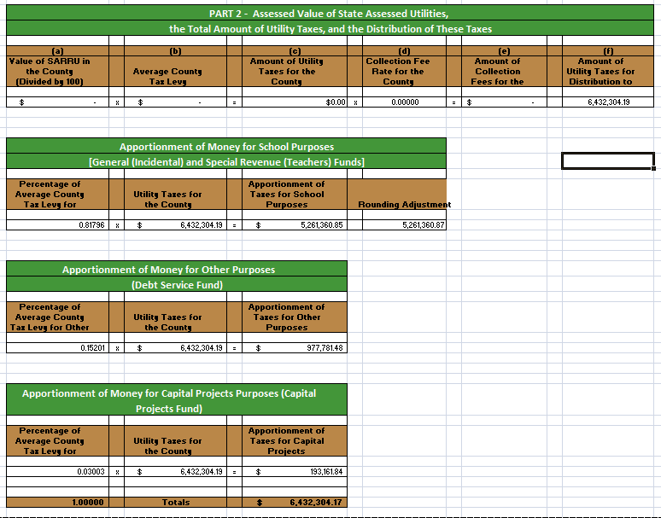
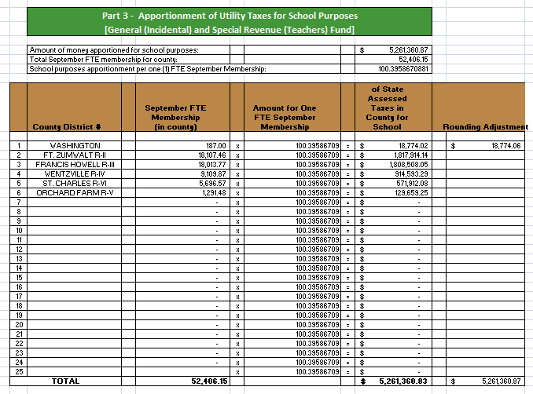
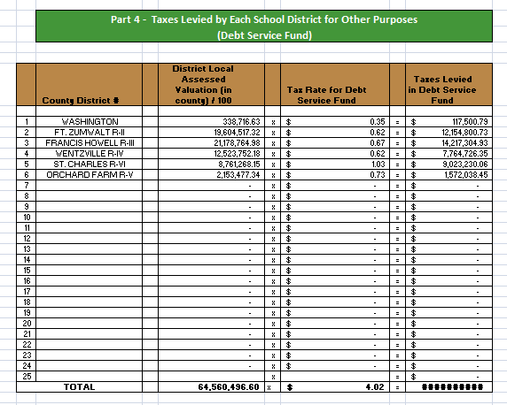
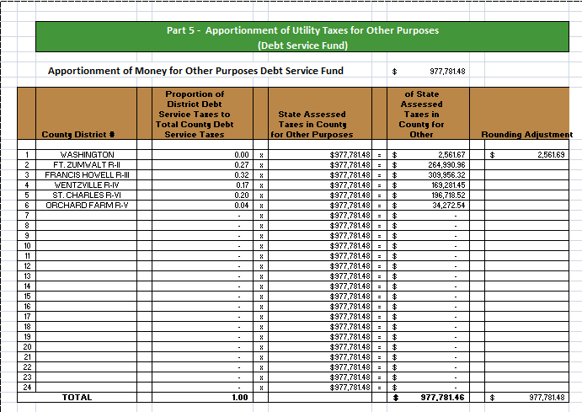
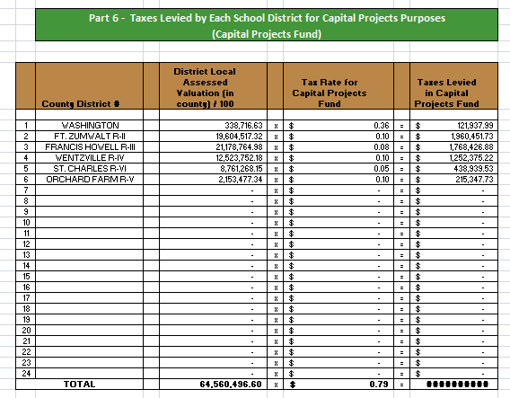
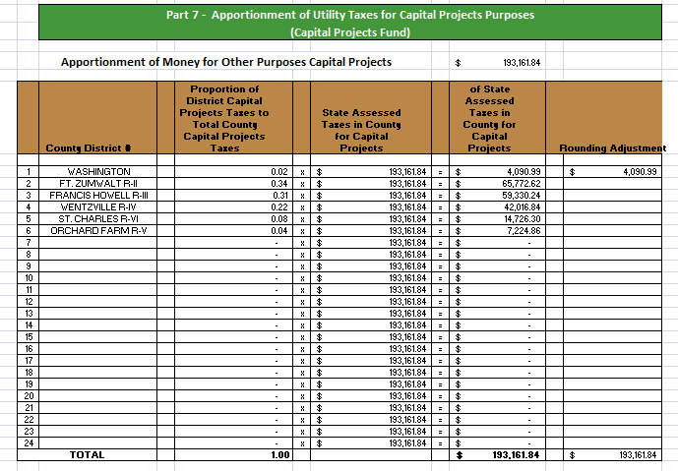
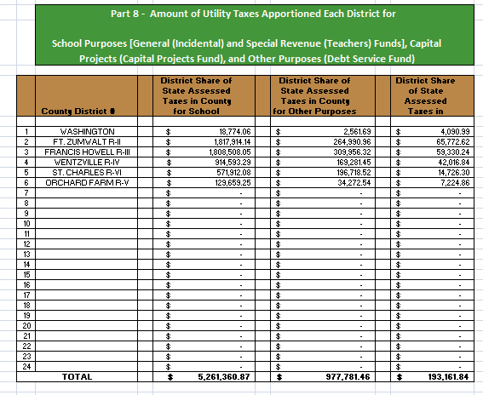
DISTRIBUTION OF SCHOOL MONEY

FROM STATE-ASSESSED RAILROADS & UTILITIES

Step 1: | Select the Data Entry Page tab inside excel workbook.
Step 2: | Enter/Select the county name in the yellow County Name field. This will pre-populate the number of districts in the county and the County District code and name of the schools.
Step 3: | Enter the date calculation is being performed in the yellow date field.
Step 4: | Enter the SARRU monies to distribute in the appropriate yellow field.
Step 5: | Answer Yes or No to the "Is SARRU Monies After Fees were taken out" question.
Step 6: | Enter the county fee rate in the appropriate yellow field if SARRU monies was before county fees were withheld.
Step 7: | Enter the SARRU assessed valuation in the county in the "SARRU assessed valuation in county for tax year as received from the State Tax Commission.
Step 8: | Enter the September Membership for each school district that appears in the list.
Step 9: | Enter the assessed valuation for each school district that appears in the list.
Step 10: | Enter the tax levy break out for each school district that appears in the list.
Step 11: | Select the Calcualtion Results tab to view distribution breakout for each school in each category.

(Sections 151.150, 151.160, and 151.190, RSMo)

This document illustrates the procedures to be followed by county officials in complying with Sections 151.150, 151.160, and 151.190, RSMo. Part 1 provides the text of the laws. The remainder of the booklet contains a step-by-step explanation of how the allocation of state-assessed railroad and utilities tax revenue would be calculated for a hypothetical county.

PART 1. The Law

Section 151.150. Apportionment by county commission of schools by railroads.

 | 1. For the purpose of levying school taxes, including taxes for school purposes, as defined in section 163.011, RSMo, for capital projects purposes, as authorized under section 165.011, RSMo, "and for other purposes", as defined in section 151.160, in the several counties of this state, on the distributable property of the railroad company, the several county commissions shall ascertain from the returns in the office of the county clerk the average rate of taxation levied for school purposes, for capital projects purposes, and for other purposes, each separately by the several local school boards or authorities of the several school districts throughout the county.

 | 2. The average rate for school purposes shall be ascertained by adding together the local rates of the several school districts in the county and by dividing the sum thus obtained by the whole number of districts levying a tax for school purposes. The county clerk shall cause to be charged to the railroad companies taxes for school purposes at the average rate on the proportionate value of the railroad property so certified to the county commission by the state tax commission, under the provisions of this chapter, and shall apportion the taxes for school purposes, so levied and collected, among all the school districts in his county, the same proportion that the September membership of a district, determined as provided in (1) of subdivision (13) of section 163.011, RSMo, bears to the sum of the September membership of all districts in the county.

 | 3. The average rate levied for capital projects purposes, and for other purposes, each separately, shall be ascertained by adding together the local rates of the several districts in the county levying a tax for capital projects purposes, or for other purposes and by dividing the sum thus obtained in each case by the whole number of districts in the county. The county clerk shall cause to be charged to the railroad companies taxes for capital projects purposes, or for other purposes, at the average rate on the proportionate value of the railroad distributable property so certified to the county commission by the state tax commission, under the provisions of this chapter, and the county commission shall apportion the taxes for capital projects purposes, or for other purposes so levied and collected, among the several school districts levying the taxes, in proportion to the amount of such taxes so levied in each of the districts.

 | 4. All local property owned or controlled by a railroad company lying in any school district shall be taxed at the same rate as other property in the district, and the school taxes, including taxes for capital projects purposes, and for other purposes thereon, shall go to the district in which such property is situated.

Section 151.160. The words "for other purposes" construed.

Whenever and wherever the words "for other purposes" occur in this chapter they shall be held to mean taxes or taxation for other purposes, and shall be construed to include all taxes, estimates for which shall have been made or the levy of which shall have been lawfully directed by any school meeting, school officer or school board, as authorized under section 164.161, RSMo, other than taxes for school purposes, and taxes for capital projects purposes provided for in section 151.150, and taxes for library purposes as authorized by section 137.030, RSMo.

Section 151.190. County clerk to certify amount of taxes to railroad company.

It shall be the duty of the county clerk as soon as the tax book is completed, to make out and certify to the secretary of the proper railroad company, or the officer making the return thereof, a statement of taxes levied on the property of the railroad company in his county, which statement shall contain:

 | (1) The total valuation of distributable property as the same was assessed, equalized and apportioned to the county, and the amount of state, county, city, town or village, municipal township, special road districts, library districts, school districts which levy taxes for library purposes pursuant to section 137.030, RSMo, hospital districts, nursing home districts, ambulance districts, metropolitan zoological park and museum district established pursuant to section 184.350, RSMo, public water supply, fire protection and sewer districts or subdivisions and school taxes and taxes for the erection of public buildings, and for other purposes levied thereon;

 | (2) The total valuation, as shown by the returns of the local assessors, of all local property in such county belonging to such railroad company, whether real property, or tangible personal property, and the amount of state, county, city, town, village, special road districts, library districts, school districts which levy taxes for library purposes pursuant to section 137.030, RSMo, hospital districts, nursing home districts, ambulance districts, metropolitan zoological park and museum district established pursuant to section 184.350, RSMo, public water supply, fire protection and sewer districts or subdivisions, school taxes and taxes for the erection of public buildings, and for other purposes levied thereon;

 | (3) The county clerk upon request of taxpayer shall also annually provide to the railroad company a legal description and listing of all parcels of real estate reported for local assessment indicating thereon an account number (property identification number), property description, valuation, applicable tax rate and amount of tax due.

Part 2. Apportionment of Railroad and Other Utilities Tax Money

Average Tax Rate

 | 1. | Taxes on state assessed utility property are extended by the county clerk for the following purposes:
 |  | a) | School purposes [General (Incidental) and Special Revenue (Teachers) Funds].
 |  | b) | Capital projects purposes (Capital Projects Fund)
 |  | c) | Other purposes (Debt Service Fund).

 | 2. | The average tax rate for each of these purposes shall be determined in the following manner:

 |  | a) | Add the local rates of the school districts in the county levied for school purposes [General (Incidental) and Special Revenue (Teachers) Funds] and divide the sum by the number of districts levying a tax for such purposes. The quotient obtained is the average tax rate for school purposes.
 |  | b) | Add the local rates of the districts in the county levying a tax for capital projects purposes and divide the sum by the number of districts having territory in the county. The quotient obtained is the average tax rate for the Capital Projects Fund.
 |  | c) | Add the local rates of the districts in the county levying a tax for debt service purposes and divide the sum by the number of districts having territory in the county. The quotient obtained is the average tax rate for Debt Service Fund.

 |  | The total tax rate to be levied on the state assessed railroad and utility assessed valuations will be the sum of items a, b, and c above. The amount of tax money paid by the railroad and utilities based on the average tax rate for school purposes is apportioned to the General (Incidental) and Special Revenue (Teachers) Funds. The amount of tax money paid based on the average tax rate for capital projects purposes is apportioned to the Capital Projects Fund. The amount of tax money paid based on the average tax rate for debt service is apportioned to the Debt Service Fund.

Apportionment of Tax Receipts

 | 1. | School Purposes [General (Incidental) and Special Revenue (Teachers) Funds]:

 |  | The county clerk shall apportion the money for school purposes [General (Incidental) and Special Revenue (Teachers) Funds] among all school districts in the county in proportion to the September Membership of said districts. The total September Membership of the county is divided into the total amount of railroad and utility taxes collected for school purposes [General (Incidental) and Special Revenue (Teachers) Funds]. The quotient obtained is the amount per member to be multiplied by the September Membership of each district to determine the apportionment for each district. When the school district receives its apportionment for school purposes, it should be divided according to the tax rates for General (Incidental) and Special Revenue (Teachers) Funds.

 | 2. | Capital Projects Purposes (Capital Projects Fund) and Other Purposes (Debt Service Fund):

 |  | The county clerk shall apportion the money received from railroad and utility taxes for the Capital Projects and Debt Service Funds among those districts levying such taxes. The apportionment shall be in proportion to the amount of local taxes levied for each purpose by each district. The “taxes levied” and the “tax rate” are two different things. Taxes levied by a district represent the tax rate times the locally assessed valuation of the district. If five districts in a county levy taxes for capital projects or debt service purposes, the local taxes levied by these five districts would be the basis for apportioning the tax money. The money apportioned to a specific district would be based on the percentage of its taxes levied for capital projects or debt service purposes to the total taxes levied by all schools for that purpose. The Capital Projects Fund and Debt Service Fund apportionments should be calculated and reported separately to each district receiving a portion of this tax money.

Part 3. Apportionment Calculation

The following charts illustrate the suggested procedures for calculating the amount of tax revenue and for apportioning the revenue to the school districts within the county. Each step of the process is described by the headings listed below (Parts 1 - 8) and illustrated in corresponding tables on the following pages.

Part 1 |  | District data and average county tax levies.
Part 2 |  | Assessed value of state assessed utilities, the total amount of utility taxes, and the distribution of these taxes for the county.
Part 3 |  | Apportionment of utility taxes for school purposes [General (Incidental) and Special Revenue (Teachers) Funds].
Part 4 |  | Taxes levied by each school district for other purposes (Debt Service Fund).
Part 5 |  | Apportionment of utility taxes for other purposes (Debt Service Fund).
Part 6 |  | Taxes levied by each school district for capital projects purposes (Capital Projects Fund).
Part 7 |  | Apportionment of utility taxes for capital projects purposes (Capital Projects Fund.)
Part 8 |  | Amount of utility taxes apportioned each district for school purposes [General (Incidental) and Special Revenue (Teachers) Funds], capital projects (Capital Projects Fund), and other purposes (Debt Service Fund).
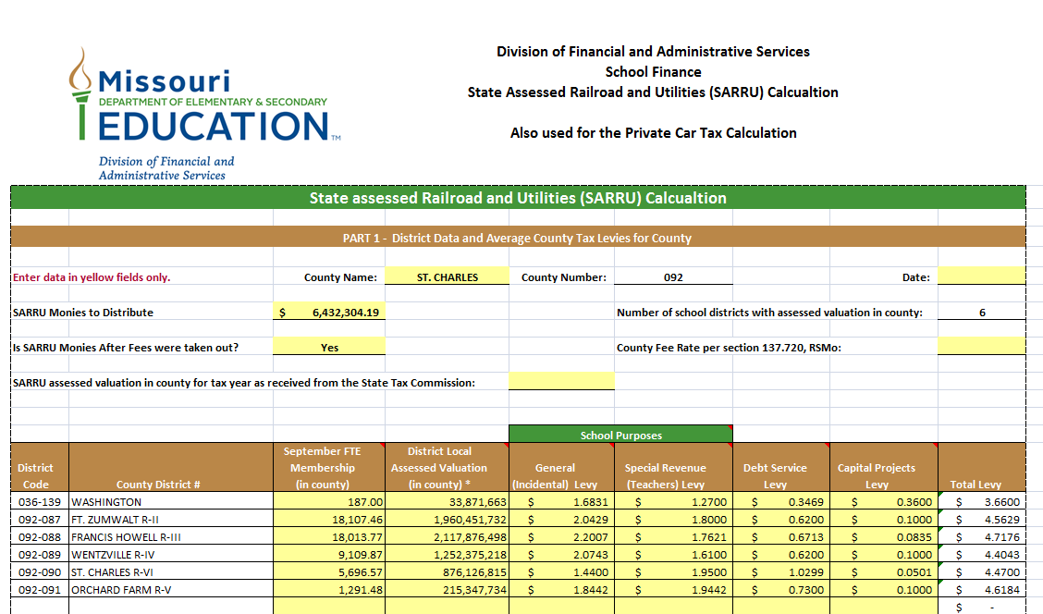

· | School Purposes = General (Incidental) and Special Revenue (Teachers) Funds.
· | Average school purposes levy = Total tax levies for school purposes divided by the number of school districts with a levy for school purposes.
· | Average debt service levy = Total tax levies for debt service divided by the number of districts in the county (whole + fractional districts).
· | Average capital projects levy = Total tax levies for capital projects divided by the number of districts having territory in the county.

Calulation Explanation
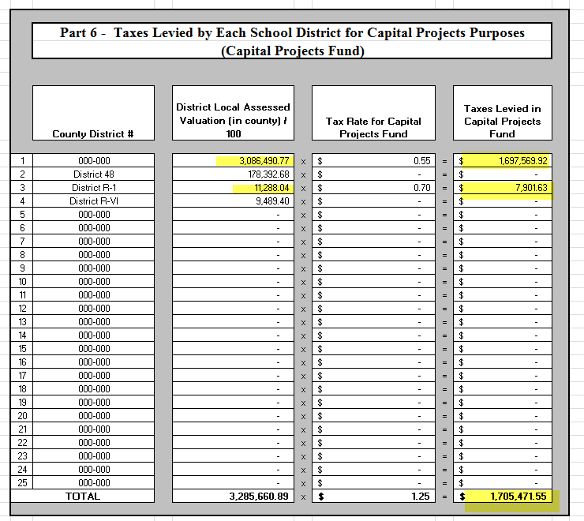
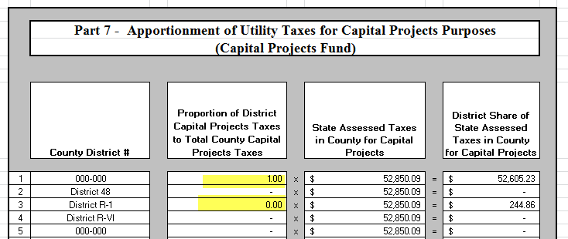
 | Below is a sample explanation of how the SARRU calculation is done. The numbers reflected below are examples.

 | First thing to understand is that the School Purposes portion of calculated uses the September Membership, but the Debt Service and Capital Projects portion does not use September Membership.

Step 1. | The calculation determines how much of the total pot of money is to be distributed based upon the average levy in each category. If the total to distribute is $620,870.18 the levy in each category is used to calculate the percentage of the average levy by category is calculated. Those percentages are highlighted in yellow below. Once the percentage is calculated then the total amount of money to district is multiplied by the percentage to the determine the amount of money should be distributed in each category

 | Average Levies:
 | 3.167375 - School Purposes - % of Total is 86.277%
 | 0.1913 - Debt Service - % of Total is 5.211%
 | 0.3125 - Capital Projects - % of Total is 8.512%
 | 3.671175 - Total Levy

 | Monies to distribute in each category:
 | School Purposes 535,667.37
 | Debt Service 32,352.71
 | Capital Projects Fund 52,850.09

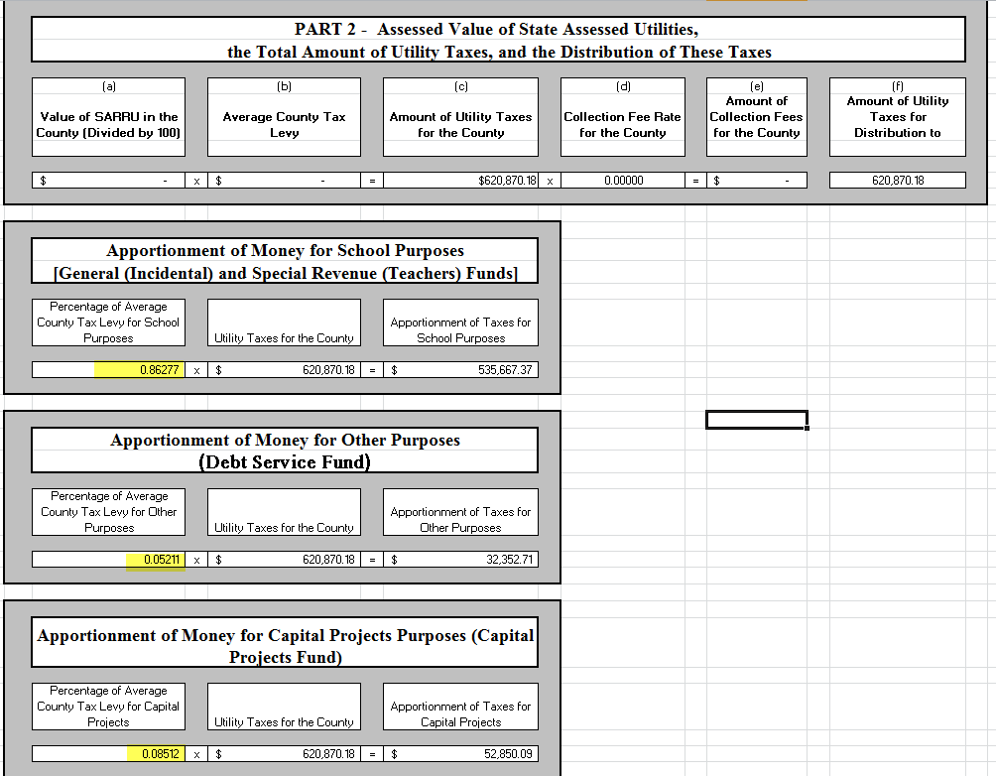

Step 2 | Then the School Purposes portion of the money is divided by the total September membership in the county to determine an amount per September Membership each district will receive per their September membership. That is in this case 233.63735372 per September Membership.
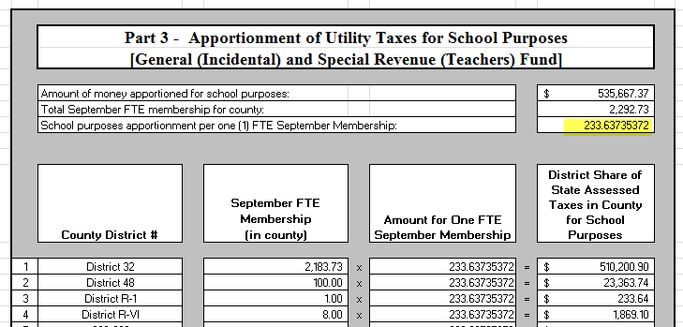

Step 3 | The Debt Service portion has two piece to the calculation. The assessed valuation of the district in the county is divided by 100 and multiplied by their Debt Service levy to calculate an amount. This amount is then divided by the total amount calculated for all districts with that type of levy to come up with a percentage. That percentage is then multiplied by the previously calculated pot of money to distribute in the Debt Service Category of 32,352.71.

Step 4 | The Capital Projects portion has two piece to the calculation the same as for the DS portion. The assessed valuation of the district in the county is divided by 100 and multiplied by their Capital Projects levy to calculate an amount. This amount is then divided by the total amount calculated for all districts with that type of levy to come up with a percentage. That percentage is then multiplied by the previously calculated pot of money to distribute in the Capital Projects Category of 52,850.09. In this example two districts have Capital Projects Levies and in this example the one district's assessed valuation is actually .9954 (I know the below pic is showing 100% that is a display issue) and for the other district the AV is .0046%. The total 52,850.09 in this category I snow distributed based upon the percentage of AV.

